Example
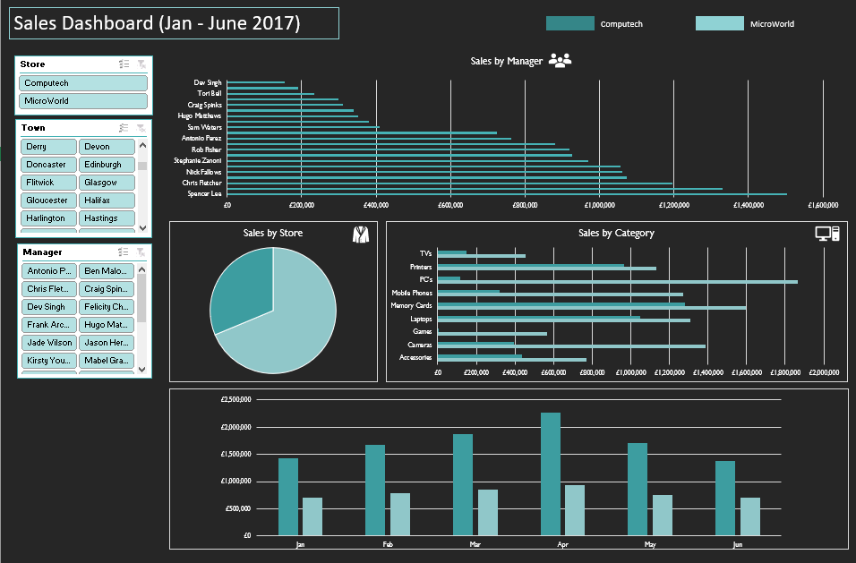

salesbystore
Sales By Store
Store | Sum of Sales
Computech | £14,960,034.68
MicroWorld | £6,479,130.11
Grand Total | £21,439,164.79

salesbymanager
Sales By Manager
Manager | Sum of Sales
Margot Stoddard | £1,197,132.80
Rob Fisher | £1,217,894.03
Mabel Graves | £1,468,150.78
Marcus Decker | £1,471,876.18
Kirsty Young | £1,479,623.29
Nick Fallows | £1,509,438.23
Stephanie Zanoni | £1,589,827.39
Chris Fletcher | £1,692,184.73
Jason Hervey | £1,836,600.36
Spencer Lee | £2,094,295.96

salesbycategory
Sales By Category
Sum of Sales | Column Labels
Category | Computech | MicroWorld
Accessories | £1,456,337.34 | £798,010.18
Cameras | £2,154,438.23 | £1,000,729.22
Games | £1,304,770.14 | £362,686.96
Laptops | £2,337,872.53 | £1,232,334.32
Memory Cards | £1,730,154.23 | £1,324,157.00
Mobile Phones | £1,948,735.42 | £405,780.30
PC's | £2,207,420.75 | £213,301.99
Printers | £1,241,049.62 | £991,307.91
TV's | £579,256.42 | £150,822.23

salesbymonth
Sales By Months
Sum of Sales | Column Labels
Months | Computech | MicroWorld
Jan | £1,436,275.99 | £704,827.06
Feb | £1,680,793.10 | £780,547.47
Mar | £1,876,303.90 | £848,781.37
Apr | £2,275,264.31 | £931,847.16
May | £1,709,697.75 | £751,070.43
Jun | £1,377,523.05 | £698,282.68
Jul | £4,604,176.58 | £1,763,773.94

Dashboard
Sales Dashboard (Jan-Jun 2017)
Computech
MicroWorld

Sales By Manager
 | Total
Margot Stoddard | £1,197,132.80
Rob Fisher | £1,217,894.03
Mabel Graves | £1,468,150.78
Marcus Decker | £1,471,876.18
Kirsty Young | £1,479,623.29
Nick Fallows | £1,509,438.23
Stephanie Zanoni | £1,589,827.39
Chris Fletcher | £1,692,184.73
Jason Hervey | £1,836,600.36
Spencer Lee | £2,094,295.96

Sales By Store
 | Total
Computech | £14,960,034.68
MicroWorld | £6,479,130.11
Sales By Category
 | Computech | MicroWorld
Accessories | £1,456,337.34 | £798,010.18
Cameras | £2,154,438.23 | £1,000,729.22
Games | £1,304,770.14 | £362,686.96
Laptops | £2,337,872.53 | £1,232,334.32
Memory Cards | £1,730,154.23 | £1,324,157.00
Mobile Phones | £1,948,735.42 | £405,780.30
PC's | £2,207,420.75 | £213,301.99
Printers | £1,241,049.62 | £991,307.91
TV's | £579,256.42 | £150,822.23

Sales By Months
 | Computech | MicroWorld
Jan | £1,436,275.99 | £704,827.06
Feb | £1,680,793.10 | £780,547.47
Mar | £1,876,303.90 | £848,781.37
Apr | £2,275,264.31 | £931,847.16
May | £1,709,697.75 | £751,070.43
Jun | £1,377,523.05 | £698,282.68
Jul | £4,604,176.58 | £1,763,773.94

